Overtime
ALASKA MILK CORPORATION |  | Adjustment #: 2nd
OVERTIME |  | Last Cutoff Date of Approval: 10-30-2024
Pay Period: Sep26 Oct10 - AMC2024 |  | Process Date: 2024-10-31

 |  | ADJUSTMENT
 |  | OVERTIME HOURS
Empoyee Number | Employee Name | REG DAY
 |  |  | OT | VALUES FROM AUTOMATED ADJUSTMENT | REMARKS
...
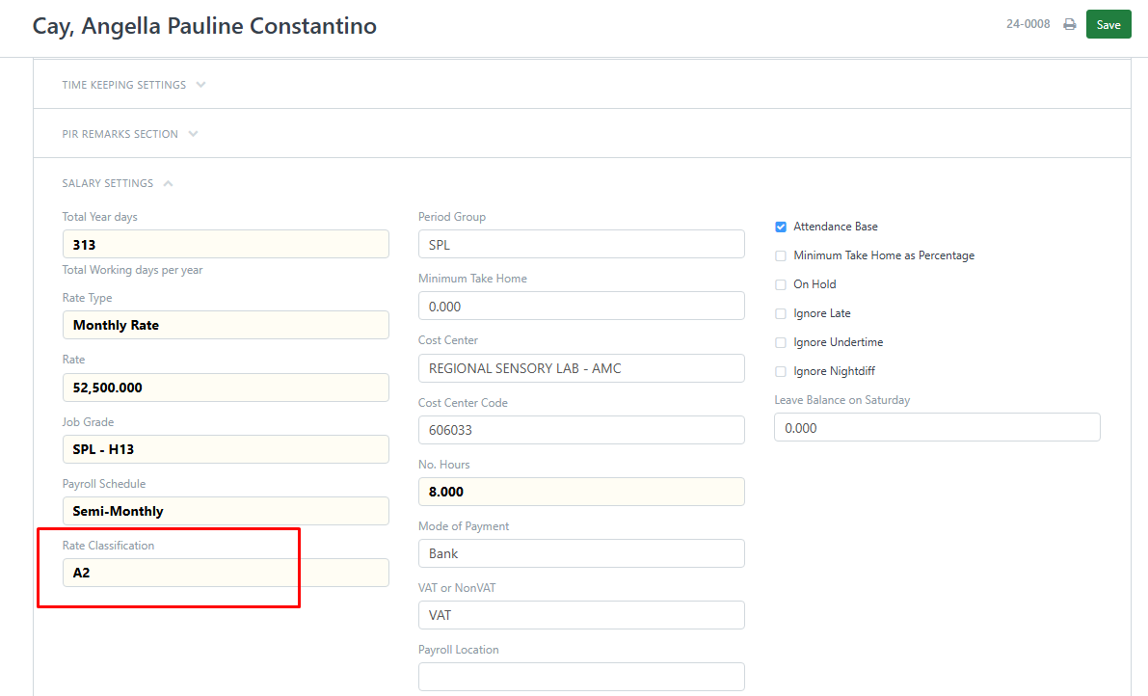
24-0008 | Cay, Angella Pauline Constantino | 6.95 | 6.95 |  | RATE CLASSIFICATION A2
...

